Form responses 1
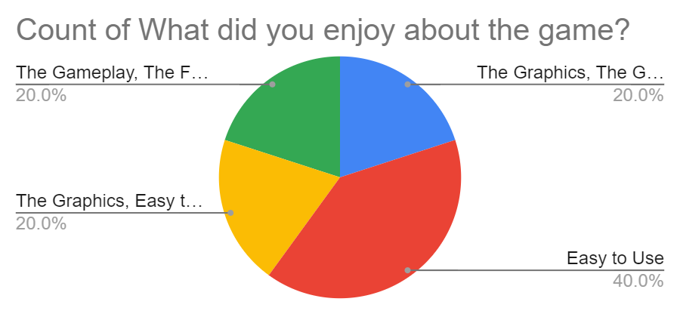
Timestamp | Did you play the game "PacMan" before the testing? | Did you play PacMan until completetion? (either lives all lost or finished level) | If no, why did you not finish the game? | What did you enjoy about the game? | Was the level hard to beat? | What needed improvement?
2022-04-04
4/25/2022 | Yes, I have played PacMan before. | Yes | n/a | The Graphics, The Gameplay, Easy to Use | 1 | Blue Ghost did a weird animation
4/25/2022 | I have never played PacMan before | Yes | n/a | Easy to Use | 3 | did not show more score in an easy to see place
4/26/2022 | I have never played PacMan before | No | PacMan got stuck when moving down | The Graphics, Easy to Use | 4 | Pacman needed freeing after getting stuck
4/26/2022 | Yes, I have played PacMan before. | Yes | n/a | The Gameplay, The Functionality, Easy to Use | 2 | the death animation didnt look like the orginal?
4/26/2022 | Yes, I have played PacMan before. | No | PacMan got stuck when moving down | Easy to Use | 2 | Blue Ghost looked strange

